Test Cycle 1
INTEGRATION TEST SCRIPT |  | CHG131815 | TEST CYCLE | 1 |  |  | 
Developer FirstName: |  |  | Indicates Test Script mainsteps
UAT Release Date: |  | 14-May-2018 | Markets Mandatory Testing | CA
Planned PROD Release: |  | JUL, 2018

Reserved for DEVELOPMENT Teams |  |  |  |  | Reserved for TESTER |  | CHG131815
Step | Role | Module | Test Condition / Action / Description | Expected Result | Status | Priority | Comments

1 | Local Administrator - Mandatory Markets Testing | Sales | Log into the Sales Application
2 |  |  | Click on the icon to navigate to Site Map | A view with a list of all available screens (responsibility-dependent) will be displayed.
3 |  |  | Click on Accounts - Admin and click on Accounts Administration link. | User is navigated to Accounts Administration view.
4 |  |  | On the top applet, click on the New button. | A new line is created.
5 |  |  | Fill in the following fields: Account Name = CHG131815_Accnt_W Account Team = <Add a Trade Marketeer to the account > Account Type = Wholesaler Status = Active Fill in required fields and save the record. | Record is saved successfully.
6 |  |  | On the top applet, click on the New button. | A new line is created.
7 |  |  | Fill in the following fields: Account Name = CHG131815_Accnt Account Team = <Add a Trade Marketeer to the account > Account Type = <Wholesaler OR Unspecified> Status = Active Fill in required fields and save the record. | Record is saved successfully.
8 |  |  | Click on Accounts Screen > Accounts List. | User is directed to Accounts >> Accounts List view.
9 |  |  | Query for the account CHG131815_Accnt and Drilldown on the account | Record is retrieved successfully and user is navigated to Accounts >> Outlet Visits view
10 |  |  | Click on More Info Tab | User is navigated to Accounts >More Info >> Characteristics view
11 |  |  | On the bottom applet, Fill in the following field Type of payment to retailer = Locked Save Record. | Record is saved successfully.
12 |  |  | Under More Info tab, click on Addresses link | User is directed to Accounts >> More Info >> Addresses view
13 |  |  | On the second applet, click on the New button, fill in the required fields and save record. | Record is saved successfully.
14 |  |  | Under More Info tab, click on Contacts link | User is directed to Accounts >>More Info >> Contacts view
15 |  |  | On the second applet, click on the New button. | A new line is created.
16 |  |  | Enter First Name, Last Name and Email. Save the record | Record is saved successfully.
17 |  |  | Click on the Buying Groups tab. | User is directed to Accounts >> Buying Groups view.
18 |  |  | On the second applet, click on the New button. | The Add Accounts pick applet pops up.
19 |  |  | On the pick applet, query for Account Name = CHG131815_Accnt_W | Record is retrieved successfully.
20 |  |  | Click on OK to associate Buying Group to the account. | Buying Group is associated to the Account and dispalyed on the second applet.
 | Product Creation
21 |  |  | Click on the icon to navigate to Site Map | A view with a list of all available screens (responsibility-dependent) will be displayed.
22 |  |  | Click Administration - Product >> Products | User is redirected to Products List View
23 |  |  | Click New Button to create a new product | A new line is created.
24 |  |  | Fill in the required fields Product Name: CHG131815_PRD1 Product Code: CHG131815_PRD1 Category: Tobacco Active Flag = Y Orderable = Y and save the record. | Product is created
25 |  |  | Click the "Release" button | Product is released
 | Price List Creation
26 |  |  | Click on the icon to navigate to Site Map | A view with a list of all available screens (responsibility-dependent) will be displayed.
27 |  |  | Click on Pricing Administration and click on Price List link. | User is navigated to Pricing Administration >> Price List view
28 |  |  | On the top applet, click on "New" button, fill in the required fields: Name = CHG131815_PL and save the record | Record is saved successfully.
29 |  |  | Drilldown on "Name" field | User is navigated to Pricing Administration >> Price List >> Price List Line Items view
30 |  |  | On the second applet, click on "New" button | The 'Add Product' applet pops up showing the available records
31 |  |  | Select Product CHG131815_PRD1 and click on "Add" button | The selected product is added to the "Price List Line Items" applet
32 |  |  | On same applet, click on applet menu and select columns Displayed. | Columns Displayed pick applet is displayed.
33 |  |  | Move below fields from Available columns to Selected Columns section: Fix Tax Amount %Tax CA 1 %Tax CA 2 %Tax CA 3 | Fields are moved from Available Columns to Selected Columns
34 |  |  | Click on the Save button | The Selected fields are displayed on top applet
35 |  |  | Fill in the fields Consumer Price, Retailer Price, VAT Tax, Free Goods Value, Fix Tax Amount, %Tax CA 1, %Tax CA 2, %Tax CA 3 and save the record | Record is saved successfully.

36 | Trade Marketeer - Mandatory Markets Testing | Sales Offline | Log into the Sales Application | Credentials are Ok. Logged into application.
37 |  |  | Synchronise
38 |  |  | Click on Accounts Screen > Accounts List. | User is directed to Accounts >> Accounts List view.
39 |  |  | On the top applet, query for Account Name = CHG131815_Accnt | Record is retrieved successfully.
40 |  |  | On below or right applet, click on the Create Visit button. | User is directed to Visit Execution view.
41 |  |  | On the top applet, click on the Start Visit button. | Status changes from Not Started to In Progress.
42 |  |  | On the second applet Visit Activities, click on the "Create Order" button. | New activity of type "Retail Order" is created
43 |  |  | Drill down on the activity type | User is navigated to Sales Order list > Line Items >> Totals view
44 |  |  | On the top applet, change the Order type to Web Order RMC and save the record | Below message is displayed: Order Type cannot be changed to Web Order RMC. Please enter a correct value.
45 |  |  | Click on Ok button to dismiss error message.
46 |  |  | On the top applet, change the Order type to Web Order RRP and save the record | Below message is displayed: Order Type cannot be changed to Web Order RRP. Please enter a correct value.
47 |  |  | Click on Ok button to dismiss error message.
48 |  |  | On the top applet, change the Order type to Direct Sales GTA and save the record | Below message is displayed: Order Type cannot be changed to Direct Sales GTA. Please enter a correct value.
49 |  |  | Click on Ok button to dismiss error message.
50 |  |  | On the top applet, change the Order type to Direct Sales RRP and save the record | Below message is displayed: Order Type cannot be changed to Direct Sales RRP. Please enter a correct value.
51 |  |  | Click on Ok button to dismiss error message.
52 |  |  | Synchronise

53 | Local Administrator - Mandatory Markets Testing | Sales | Log into the Sales Application
54 |  |  | Click on Accounts Screen > Accounts List. | User is directed to Accounts >> Accounts List view.
55 |  |  | Query for the account CHG131815_Accnt | Record is retrieved successfully
56 |  |  | Update Account Type = Outlet and save record. | Record is saved.

57 | Trade Marketeer - Mandatory Markets Testing | Sales Offline | Log into the Sales Application | Credentials are Ok. Logged into application.
58 |  |  | Synchronise
59 |  |  | Click on Accounts Screen > Accounts List. | User is directed to Accounts >> Accounts List view.
60 |  |  | On the top applet, query for Account Name = CHG131815_Accnt | Record is retrieved successfully.
61 |  |  | On below or right applet, click on the Create Visit button. | User is directed to Visit Execution view.
62 |  |  | On the Visit Activities applet, Drill down on the Retail Order Activity | User is navigated to Sales Order list > Line Items >> Totals view
63 |  |  | On the top applet, change the Order type to Web Order RMC and save the record | Below message is displayed: Order Type cannot be changed to Web Order RMC. Please enter a correct value.
64 |  |  | Click on Ok button to dismiss error message.
65 |  |  | On the top applet, change the Order type to Web Order RRP and save the record | Below message is displayed: Order Type cannot be changed to Web Order RRP. Please enter a correct value.
66 |  |  | Click on Ok button to dismiss error message.
67 |  |  | On the top applet, change the Order type to Direct Sales RRP and save the record | Below message is displayed: Please note that the store is currently locked.No EFT payments nor Direct Sales orders can be carried out. Locked Date ; Locked Reason
68 |  |  | Click on Ok button to dismiss error message.
69 |  |  | On the top applet, change the Order type to Direct Sales GTA and save the record | Below message is displayed: Please note that the store is currently locked.No EFT payments nor Direct Sales orders can be carried out. Locked Date ; Locked Reason
70 |  |  | Click on Ok button to dismiss error message.
71 |  |  | Synchronise

72 | Local Administrator - Mandatory Markets Testing | Sales | Log into the Sales Application
73 |  |  | Click on Accounts Screen > Accounts List. | User is directed to Accounts >> Accounts List view.
74 |  |  | Query for the account CHG131815_Accnt and Drilldown on the account | Record is retrieved successfully and user is navigated to Accounts >> Outlet Visits view
75 |  |  | Click on More Info Tab > Characteristic | User is directed to Accounts>> More Info >> Characteristics view
76 |  |  | On the bottom applet, Fill in the following field Type of payment to retailer = null Save Record. | Record is saved successfully.

77 | Trade Marketeer - Mandatory Markets Testing | Sales Offline | Log into the Sales Application | Credentials are Ok. Logged into application.
78 |  |  | Synchronise
79 |  |  | Click on Accounts Screen > Accounts List. | User is directed to Accounts >> Accounts List view.
80 |  |  | On the top applet, query for Account Name = CHG131815_Accnt | Record is retrieved successfully.
81 |  |  | On below or right applet, click on the Create Visit button. | User is directed to Visit Execution view.
82 |  |  | On the Visit Activities applet, Drill down on the Retail Order Activity | User is navigated to Sales Order list > Line Items >> Totals view
83 |  |  | On the top applet, change the Order type to Direct Sales RRP and save the record | Below message is displayed: Please note that store bank account information is missing. Kindly fill up this information before doing a Direct Sales via EFT.
84 |  |  | Click on Ok to dismiss error message
85 |  |  | On the top applet, change the Order type to Direct Sales GTAand save the record | Below message is displayed: Please note that store bank account information is missing. Kindly fill up this information before doing a Direct Sales via EFT.
86 |  |  | Click on Ok to dismiss error message
87 |  |  | Navigate back to Visit Execution view. | User is navigated to Visit Execution view
88 |  |  | On the Visit activities applet, click on New button to create a new activity = Update - Bank Account Info, fill in the required fields and save record. | Record is saved.
89 |  |  | Drill down on the activity. | User is navigated to Bank Account Information view.
90 |  |  | On the Bank Account information applet, fill in the required fields
91 |  |  | On the signatre applet, click on the Pencil Icon, Check the flag, sign in the signature area, fill in the contact details and click on Save Signature button. | Signature is saved.
92 |  |  | Click on Print Button and then click on Submit button.
93 |  |  | On top applet, click on the Close Activity button. | Visit Activities popup applet appears.
94 |  |  | Click on the Retail Order Activity. | User is navigated to Sales Order list > Line Items >> Totals view
95 |  |  | On the top applet, change the Order type to Direct Sales RRP and save the record | Below message is displayed: Please make sure that a wholesaler is flagged as PL Source in the Buying Groups Tab in the Account Screen
96 |  |  | Click on Ok to dismiss error message
97 |  |  | On the top applet, change the Order type to Direct Sales GTA and save the record | Below message is displayed: Please make sure that a wholesaler is flagged as PL Source in the Buying Groups Tab in the Account Screen
98 |  |  | Click on Ok to dismiss error message
99 |  |  | Synchronise

100 | Local Administrator - Mandatory Markets Testing | Sales | Log into the Sales Application
101 |  |  | Click on Accounts Screen > Accounts List. | User is directed to Accounts >> Accounts List view.
102 |  |  | Query for the account CHG131815_Accnt and Drilldown on the account | Record is retrieved successfully and user is navigated to Accounts >> Outlet Visits view
103 |  |  | Click on the Buying Group view tab. | User is directed to Accounts >> Buying Group view
104 |  |  | On the second applet, set Role = PL Source and save record. | Record is saved.

105 | Trade Marketeer - Mandatory Markets Testing | Sales Offline | Log into the Sales Application | Credentials are Ok. Logged into application.
106 |  |  | Synchronise
107 |  |  | Click on Accounts Screen > Accounts List. | User is directed to Accounts >> Accounts List view.
108 |  |  | On the top applet, query for Account Name = CHG131815_Accnt | Record is retrieved successfully.
109 |  |  | On below or right applet, click on the Create Visit button. | User is directed to Visit Execution view.
110 |  |  | On the Visit Activities applet, Drill down on the Retail Order Activity | User is navigated to Sales Order list > Line Items >> Totals view
111 |  |  | On the top applet, change the Order type to Direct Sales GTA and save the record | Record is saved.
112 |  |  | On same applet, Set Price List = CHG131815_PL and save record. | Record is saved.
113 |  |  | On Line Items applet, click on New button, set Product = CHG131815_PRD1, set Quantity = 10 and save record. | Record is saved.
114 |  |  | On same applet, click on applet menu and select columns Displayed. | Columns Displayed pick applet is displayed.
115 |  |  | Move below fields from Available columns to Selected Columns section and click on Save button: Calculated Sales Amt CA | The Selected field is displayed on top applet
116 |  |  | Verify that the field Calculated Sales Amt CA has been populated correctly | The field Calculated Sales Amt CA has been populated correctly
117 |  |  | Click on the Order Summary Status view tab. | User is navigated to Sales Order list > Order Summary Status view
118 |  |  | On top applet, click on the Validate button. | Order is validated
119 |  |  | On the signatre applet, click on the Pencil Icon, sign in the signature area, fill in the contact details and click on Save Signature button. | Signature is saved.
120 |  |  | Click on Print Order Button.
121 |  |  | On top applet, click on the Submit button. | Order is submitted and user is navigated to visit Execution view.
122 |  |  | Click on Orders screen tab. | User is navigated to Sales Order List view.
123 |  |  | On top applet, query for the order submitted @ previous step 121 | Record is retrieved successfully.
124 |  |  | On top applet, verify that the field Invoice Delivery Status = To be processed. | The field Invoice Delivery Status = To be processed.
125 |  |  | Click on Accounts Screen > Accounts List. | User is directed to Accounts >> Accounts List view.
126 |  |  | On the top applet, query for Account Name = CHG131815_Accnt | Record is retrieved successfully.
127 |  |  | On below or right applet, click on the Create Visit button. | User is directed to Visit Execution view.
128 |  |  | On the second applet Visit Activities, click on the "Create Order" button. | New activity of type "Retail Order" is created
129 |  |  | Drill down on the activity type | User is navigated to Sales Order list > Line Items >> Totals view
130 |  |  | On the top applet, change the Order type to Direct Sales RRP and save the record | Record is saved.
131 |  |  | On same applet, Set Price List = CHG131815_PL and save record. | Record is saved.
132 |  |  | On Line Items applet, click on New button, set Product = CHG131815_PRD1, set Quantity = 10 and save record. | Record is saved.
133 |  |  | Verify that the field Calculated Sales Amt CA has been populated correctly | The field Calculated Sales Amt CA has been populated correctly
134 |  |  | Click on the Order Summary Status view tab. | User is navigated to Sales Order list > Order Summary Status view
135 |  |  | On top applet, click on the Validate button. | Validate button is disabled.
136 |  |  | On the signatre applet, click on the Pencil Icon, sign in the signature area, fill in the contact details and click on Save Signature button. | Signature is saved.
137 |  |  | Click on Print Order Button.
138 |  |  | On top applet, click on the Submit button. | Order is submitted and user is navigated to visit Execution view.
139 |  |  | Click on Order screen tab. | User is navigated to Sales Order List view.
140 |  |  | On top applet, query for the order submitted @ previous step 138 | Record is retrieved successfully.
141 |  |  | On top applet, verify that the field Invoice Delivery Status = To be processed. | The field Invoice Delivery Status = To be processed.

142 | Local Administrator - Markets Mandatory Testing | Data | Create some order of type "Direct Sales GTA" & "Direct Sales RRP" on Sales Application | Order of type "Direct Sales GTA" & "Direct Sales RRP" are created on Sales Application. Refer to Data Screenshot (1/2) in DATA SCREENSHOTS tab
143 |  |  | Wait for the scheduled SO outbound Interface to be executed or Request an SO export to Market Operation team | SO outbound Interface completed successfully and new order type "Direct Sales GTA" & "Direct Sales RRP" are exported in the SO file
144 |  |  | Wait for the scheduled Payment Order Batch to be executed or Request Payment Order Batch to Market Operation team | Payment Order Batch completed successfully and Payment are generated for the order of type "Direct Sales GTA" & "Direct Sales RRP". Refer to Data Screenshot (2/2) in DATA SCREENSHOTS tab
145 |  |  | Wait for the scheduled PE outbound interface to be executed or Request a PE export to Market Operation team | PE outbound Interface completed successfully and PE file is correctly generated with new fields "Order Number" & "Order Type"

DATA SCREENSHOTS
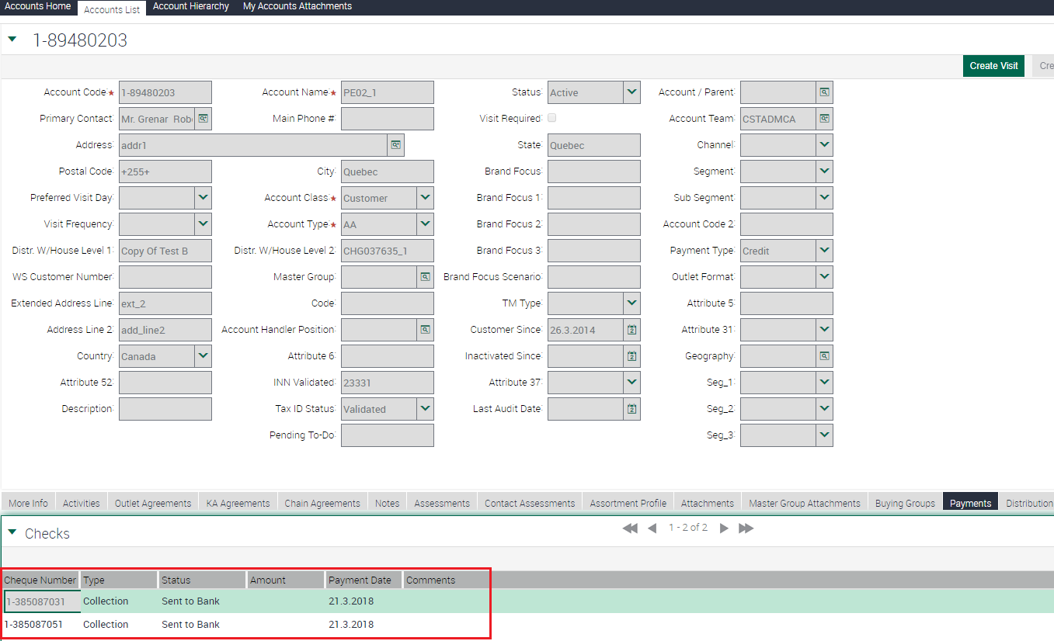
Data Screenshot (1/2)

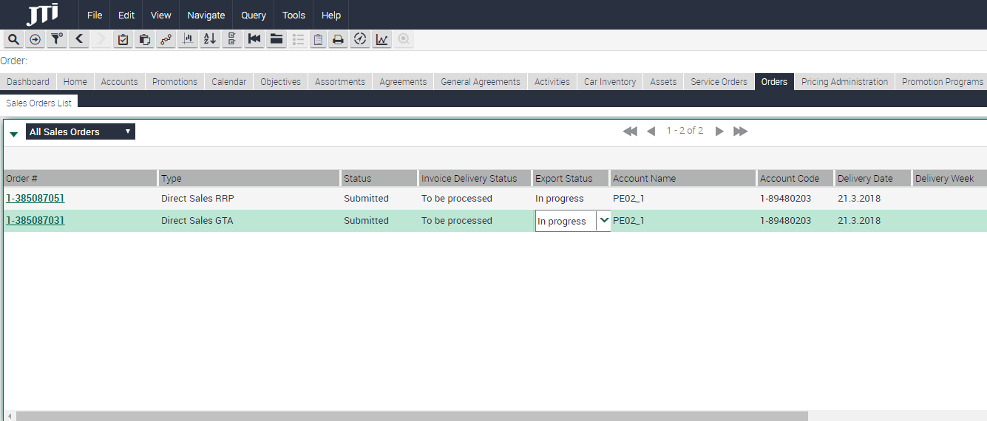

Data Screenshot (2/2)

